Download
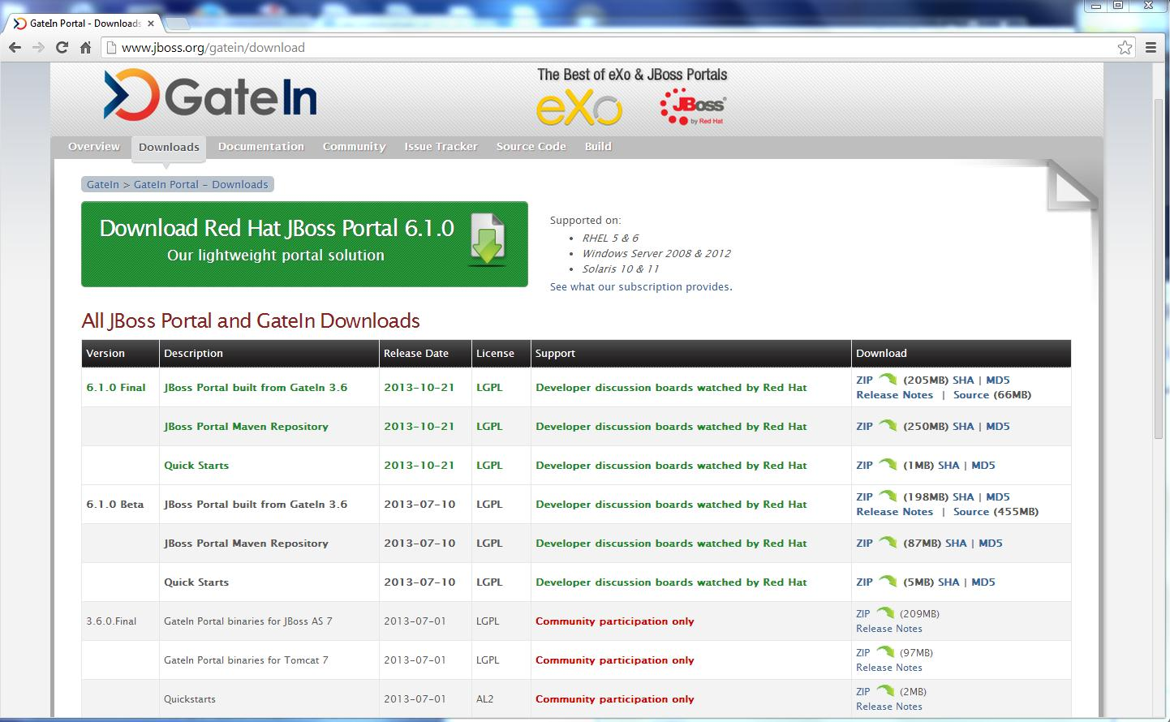
http://www.jboss.org/gatein/download

HelloWord
1 | Eclipse menu, Window->Preferences, Choose Server->Runtime Environment
 | Add Jboss v5.0 as Runtime
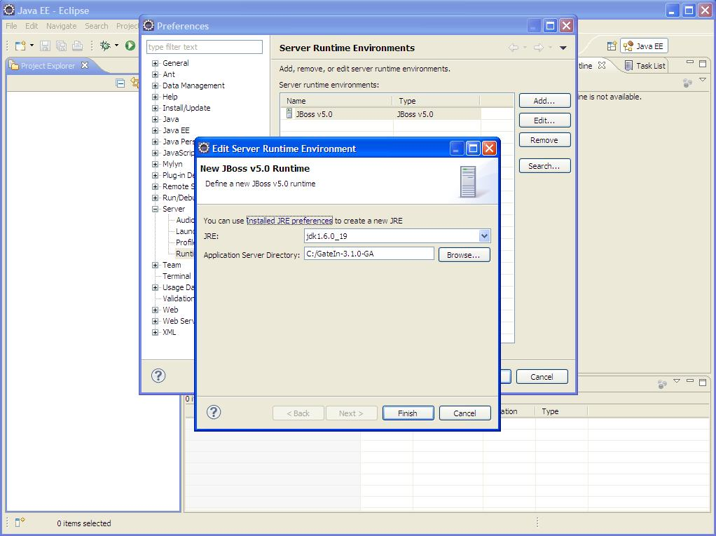

2 | Create a Java EE Web Project
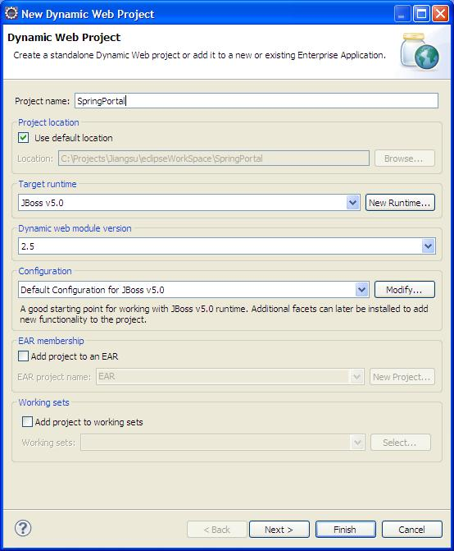

3 | Click Finish button, and the code structure will be:
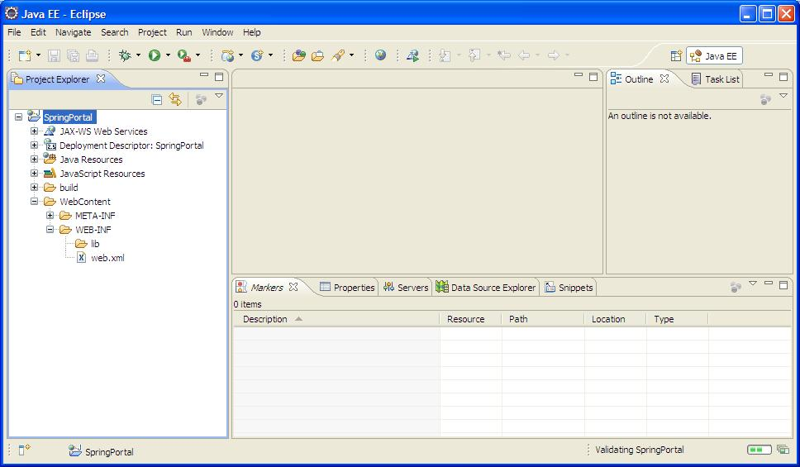

4 | Copy Spring portlet MVC related jar files to the folder of Web-INF\lib
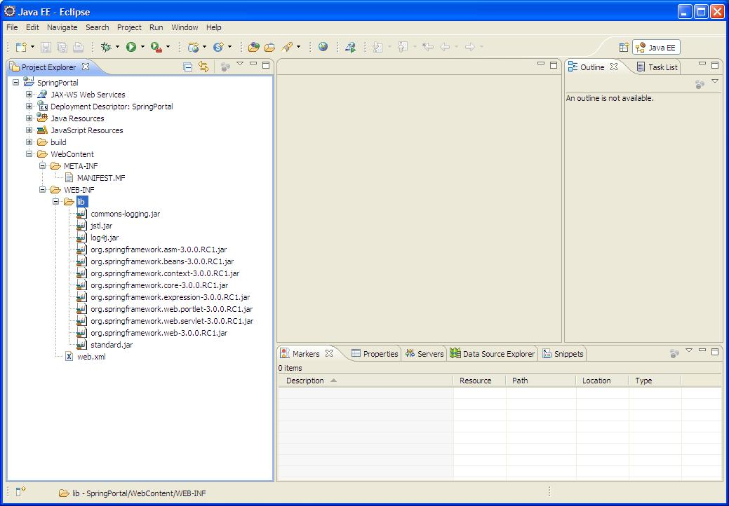

5 | Copy portlet.jar to lib folder in SpringPortal project
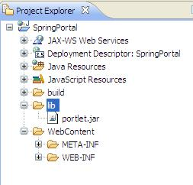

6 | Create a Controller/Handler class
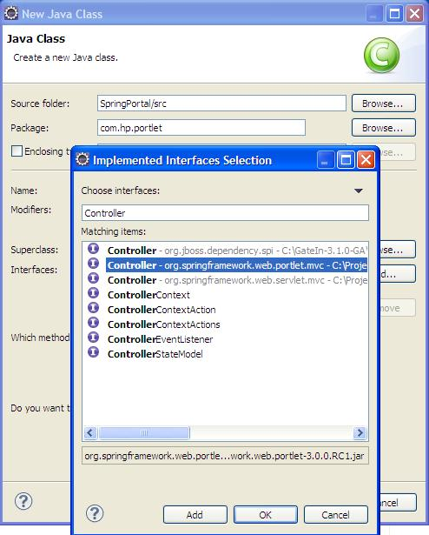

7 | There will be many compile errors:
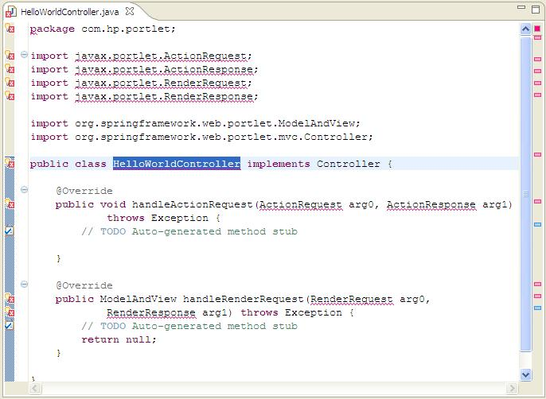

8 | Add portlet.jar to Libraries
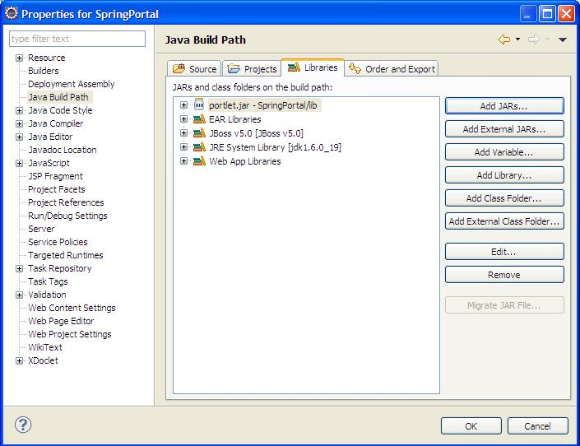

9 | Compile OK
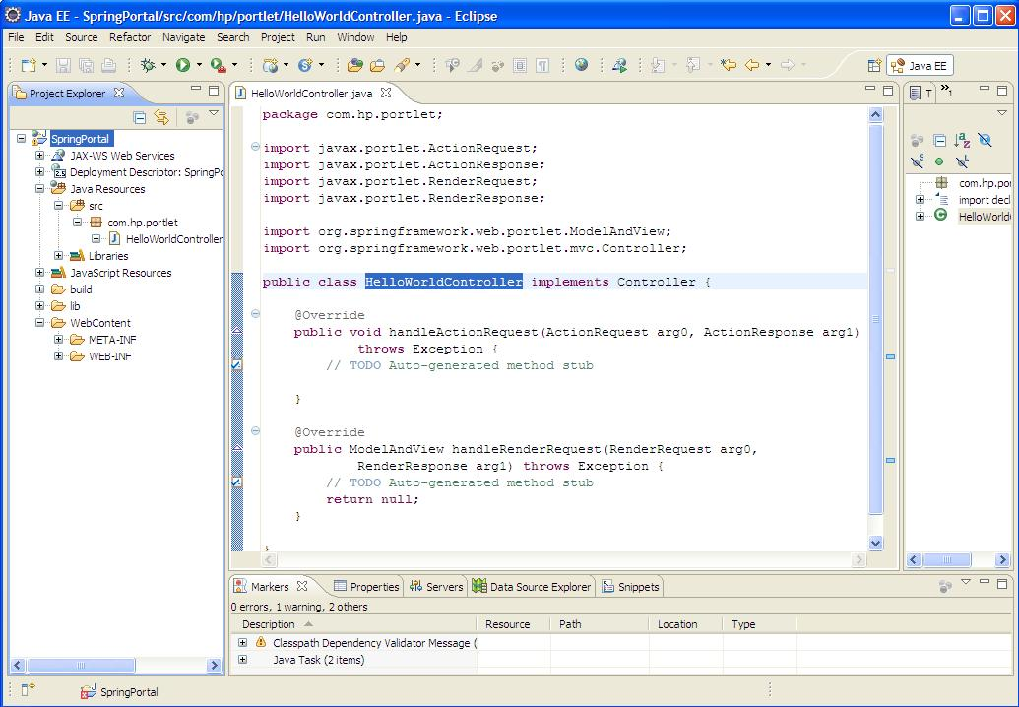

10 | Code something in handleRenderRequest() method in Controller.

11 | Create helloWorld.jsp in WEB-INF\jsp folder.
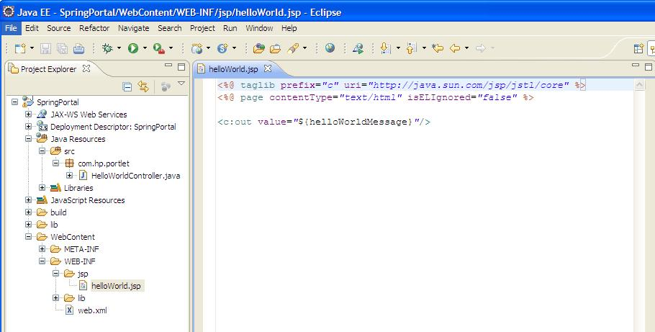

12 | Create portlet.xml in WEB-INF folder
 | Language-ext.properties is created also.
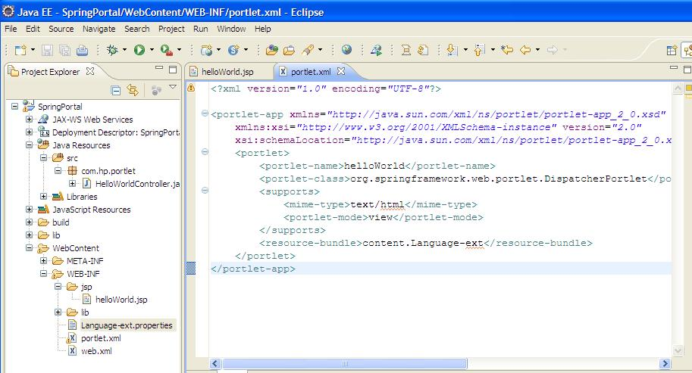

13 | Create helloWorld-portlet.xml in WEB-INF
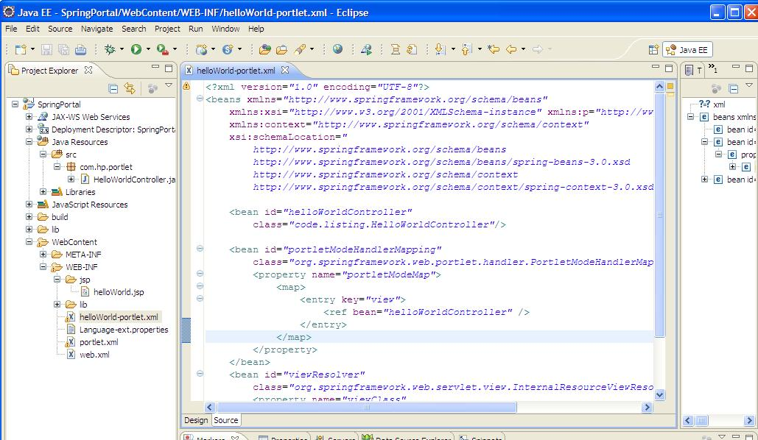

14 | Create a Root Web Application context
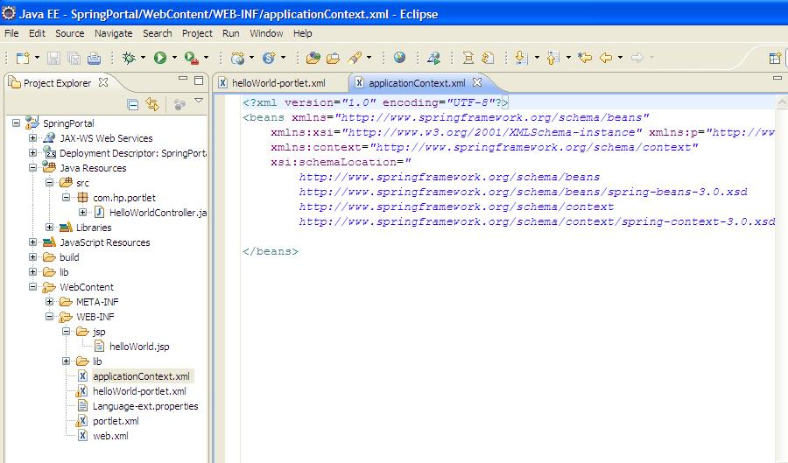

15 | Modify web.xml

16 | create an ant build file:build.xml

17 | run build.xml

18 | create a server in eclipse IDE
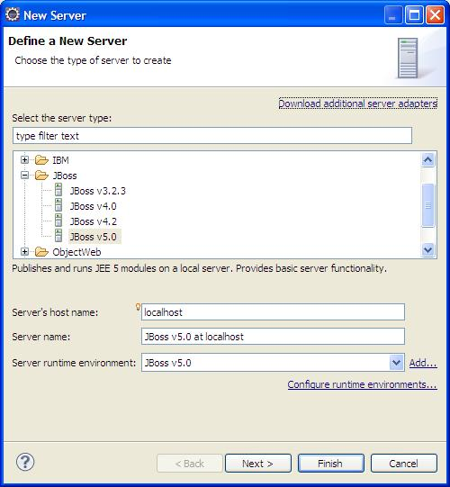

19 | click the Publish icon

 | SpringPortal.war will be copied to C:\GateIn-3.1.0-GA\server\default\deploy

20 | click C:\GateIn-3.1.0-GA\bin\run.bat to run the GateIn.
 | Use root/gtn to login,Group->Administration->Application Registry
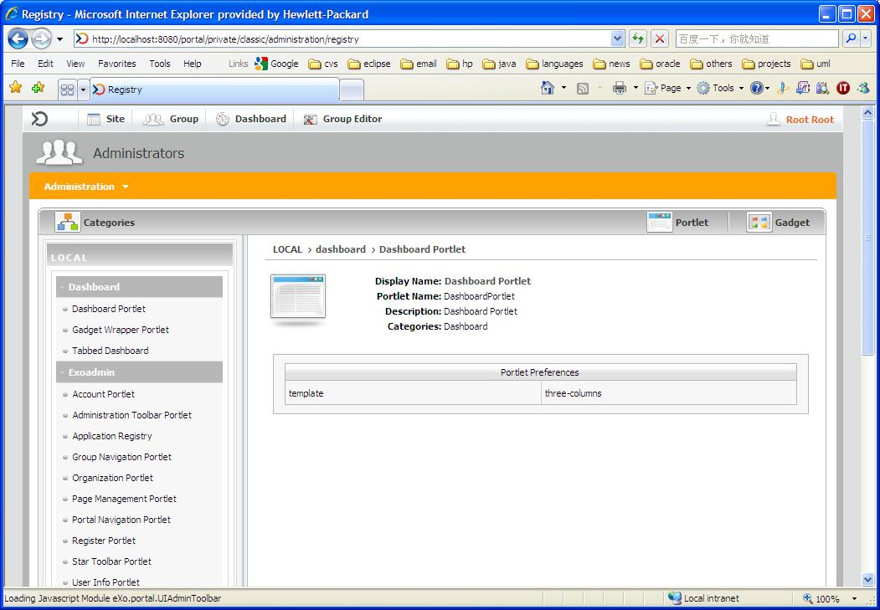

21 | Click Portlet, HelloWorld portlet can be found in SpringPortal.
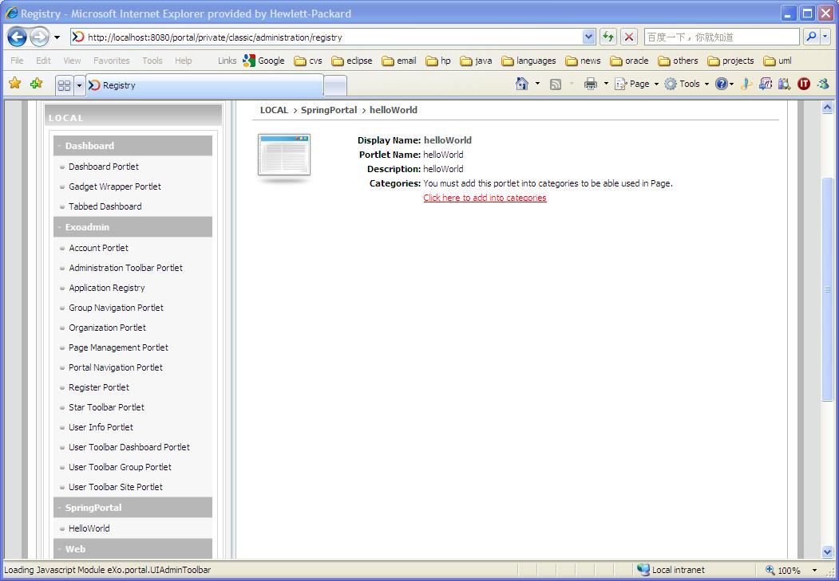

22 | Add it to all 4 Categories
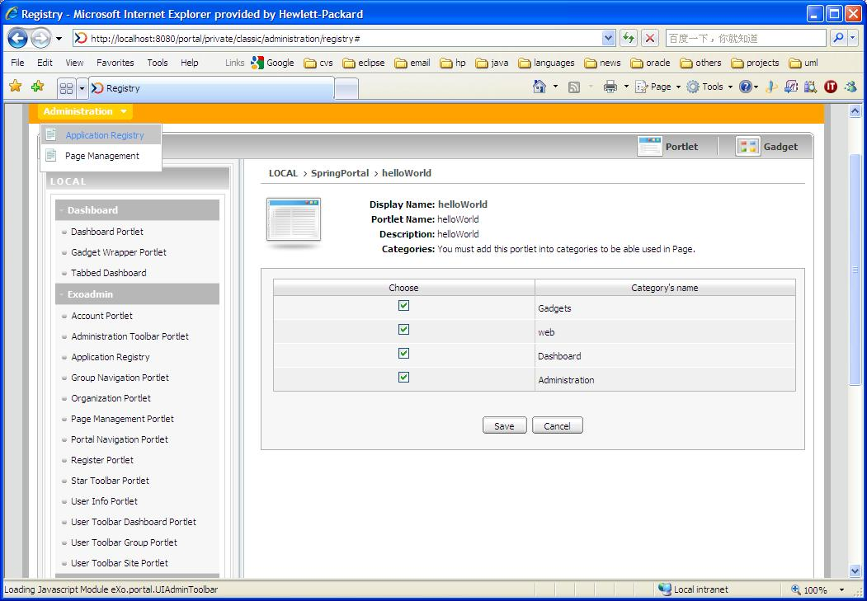

23 | Save it

24 | Creata a new Portal, then click the Edit Layout of this new portal.
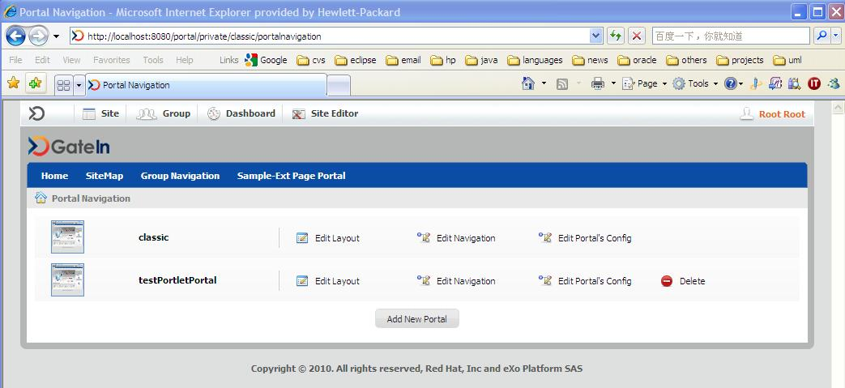

25 | helloWorld can be found in all of these 4 categories: Administration/Dashboard/Gadgets and Web.
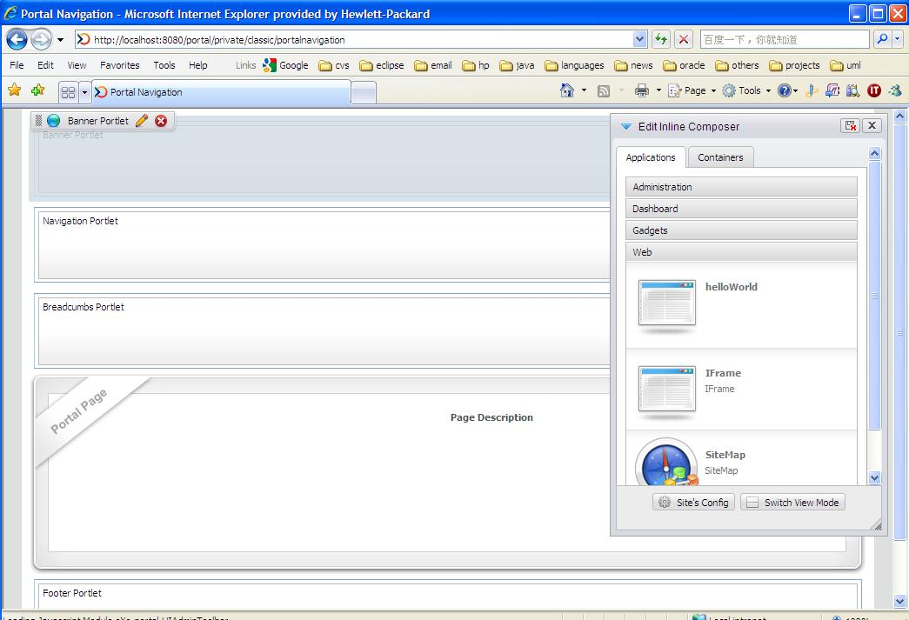

26 | Drag and drop, delete some. Then click the Finish icon.

27 | In the list of portals, click the "Edit Navigation" of the new added portal.
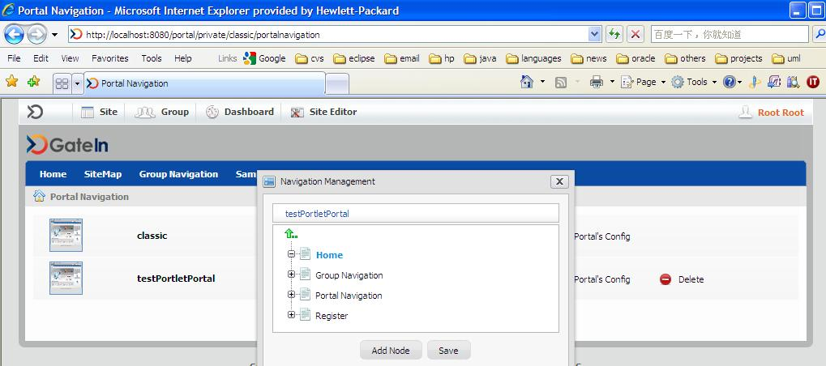

28 | Add Node
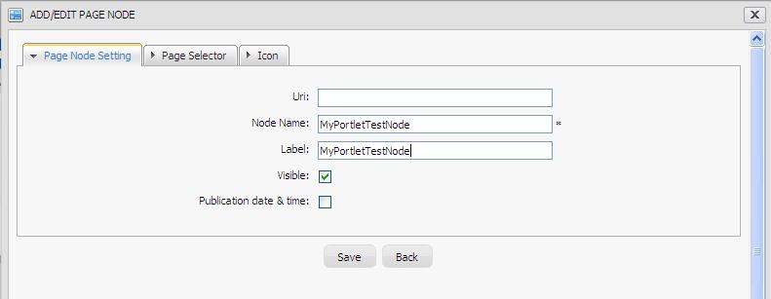

29
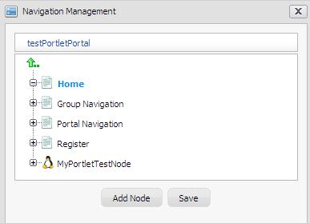

30 | Save

31 | Site->testPortletPortal, the page will be:
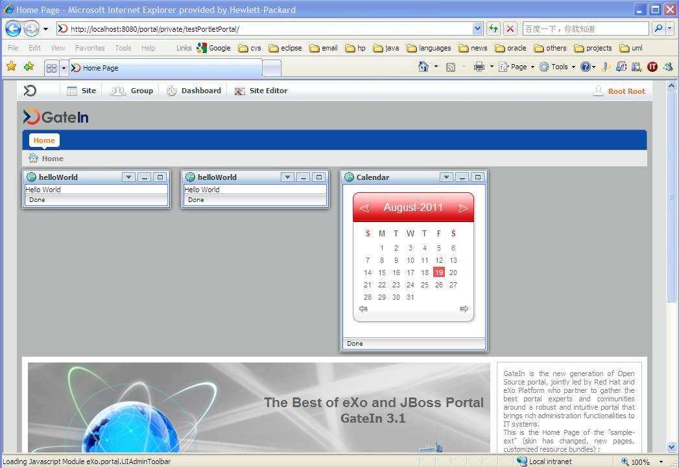

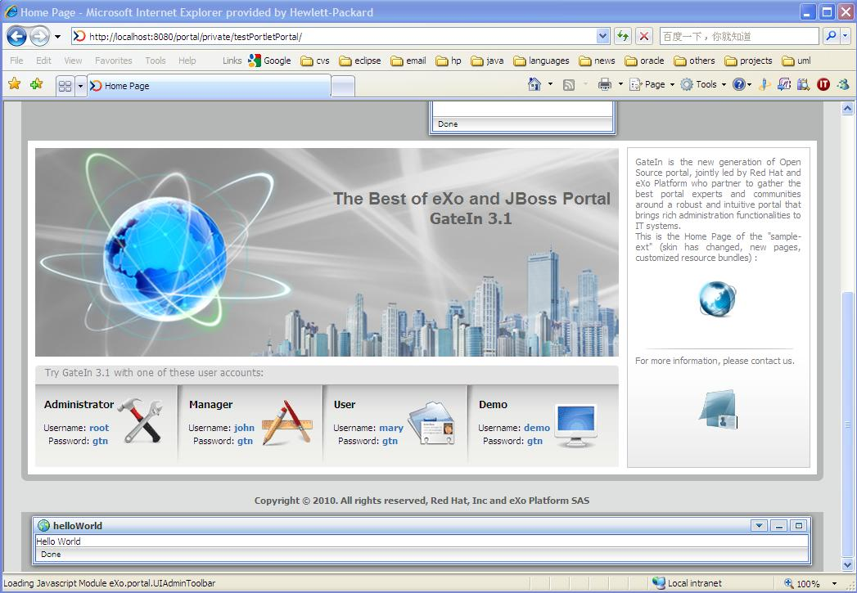

32 | it is based what you designed the template in step 25.

 | Done

